APMT Invoice (2)
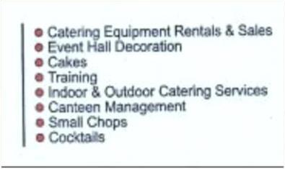
INVOICE |  |  |  |  | NO: APMT/22/001130
ISSUED TO: |  |  | PLEASE MAKE PAYMENT TO |  | DATE ISSUED: 22/05/2023
APM TERMINALS APAPA LTD |  |  | NAME: UNIQUE SPICY EVENT & SERVICES |  | RC: 2624564
CONTAINER TERMINAL |  |  | ACCOUNT NO: 1016020035 |  | TIN NO: 22172222-0001
APAPA PORT WHARF ROAD |  |  | BANK: ZENITH BANK AGUDA BRANCH |  | SERVICE RENDERED:
LAGOS |  |  | SWIFTH CODE: [ZEIBNGLAXXX] |  | CATERING SERVICES FOR APM TERMINALS STAFF FROM NOVEMBER 01,2022 TO NOVEMBER 30,2022

NO | DATE | DESCRIPTION |  | QUANTITY | RATE | AMOUNT

 |  | LIGHT MEALS
 |  | Midnight |  | 1411 | 700 | 987,700
 |  | Breakfast |  | 5731 | 700 | 4,011,700

 |  | BLUE COLLAR MEALS
 |  | Lunch |  | 6476 | 1100 | 7,123,600
 |  | Dinner |  | 6144 | 1100 | 6,758,400

 |  | WHITE HOUSE MEALS
 |  | Local |  | 2631 | 1100 | 2,894,100

 |  | CONTRACTOR MEALS
 |  | Lunch |  | 298 | 1100 | 327,800
 |  | Dinner |  | 163 | 1100 | 179,300

 |  | IFS
 |  | Lunch |  | 4048 | 1100 | 4,452,800
 |  | Dinner |  | 1319 | 1100 | 1,450,900

 |  | Packs used |  | 25602 | 100 | 2,560,200

 |  |  |  |  | SUB TOTAL | 30,746,500
 |  |  |  |  | VAT (7.5%) | 2,305,988

 |  |  |  |  | GRAND TOTAL | ₦33,052,487.50

AMOUNT IN WORDS:Thirty Three Million and Fifty Two Thousand, Four Hundred and Eighty Seven Naira, Fifty Kobo Only
CUSTOMER SIGNATURE |  |  |  |  | CERTIFIED TRUE & CORRECT:

DATE |  |  |  |  | UNIQUE SPICY EVENT & SERVICES

